Case
PRODUCT DEMAND ANALYSIS - iShades

Product Description | Sun glasses with bluetooth headphones enabling you to connect to iPhone and iPod, assorted with bright colors.

Instructions
The week of Aug 6, Apple will launch next version of iShades with better sound quality but same colors. South Asia (Singapore, Thailand, Malaysia, Philippines, Vietnam) will expand to carrying all colors, China will get iShades for the first time
Question 1: Complete the Demand Forecast by Region for iShades for Q4 considering by region, mix, prior year sell through and growth potential
Firstly, 2011 sales across regions was normalized and plotted (Figure 1 on the right). From the plot we learn several things: (i) the peaks after launch week were about 2.3 standard deviations from the mean for all three regions (ii) for Japan it peaked on launch week, while in South Asia (SA) and ANZ it peaked on the 2nd week after launch; (iii) the sales for SA and ANZ in 2011 were nearly identical (the green line overlaps the blue line), with a correlation of > 0.99; (iv) overall trend of iShades sales was downward sloping before and after the launch. Based on the above, several models were fitted and tested. Predicted values of five models are displayed in Figure 2 (extreme right). All five models performed well, with residual standard error <0.1 (i.e., inaccuracy of less than 10% of the data's standand deviation) while accounting for 95% of the variance in the data (i.e., variables in the models explain more than 95% of the sales trend). The variables created were: (i) Launch (Three levels: "before launch", "launch", "after launch"; for SA and ANZ there were 4 levels: "before launch", "launch week 1", "launch week 2", "after launch") (ii) Sales one week before: the sales of iShades the previous week (iii) Sales two weeks before: the sales of iShades two weeks before The different models are as follows: (i) Sales = Launch + Sales one week before (ii) Sales = Launch + Sales one week before + Sales two weeks before (iii) Sales = Launch + Sales one week before + Launch * Sales one week before (interaction effect) (iv) Sales = Launch + Sales one week before^2 (Quadratic model) (v) Sales = Launch + Sales one week before^2 + Sales two weeks before^2 (Quadratic model) Given the high accuracy of all five models, the simplest model (i.e., model (i)) was chosen to ensure ease of data acquisition and robustness across different scenarios. To examine the summary statistics for the various models, please run the R file provided, specifically line 1 - 4 |  |  |  |  |  |  |  |  |  |  |  |  |  |  |  | 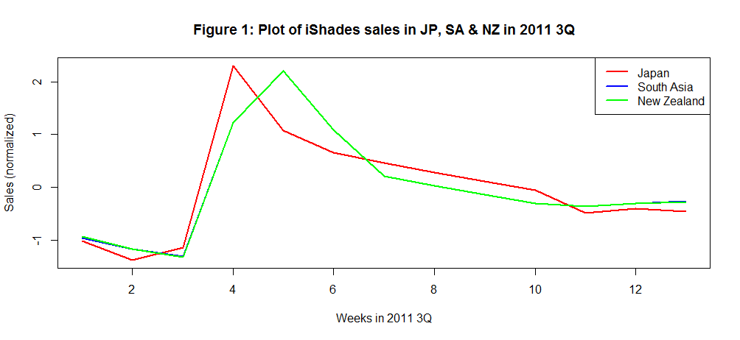 |  |  |  |  |  |  |  |  |  | 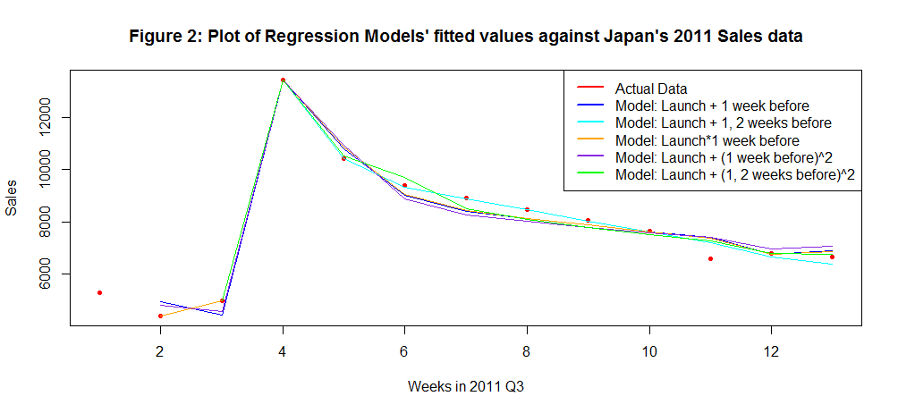
Question 2: Assuming iShades are manufactured in China and shipped by air, how many iShades will you build (by color) for Japan and ANZ for launch
Based on information on forums and air freight companies, air shipping from China to Japan/ANZ takes roughly 2-5 days (i.e., less then a week). Thus, it should be sufficient to ship a week's worth of iShades for the launch. For the launch, it would be preferable to prioritize service level and product availability over inventory holding cost. Thus, we would base manufacturing quantity on the upper bound of the forecast (i.e., upper limit of 95% confidence interval) in green, instead of the forecasted sales in blue. For Japan, the upper bound is approximately 25% above forecast while for ANZ it is approximately 30% above forecast. |  |  |  |  |  | Forecast for Launch Week
 |  |  |  |  |  | Japan iShades forecast | Standard Deviation | Lower Bound | Forecast | Upper Bound | ANZ iShades forecast | Standard Deviation | Lower Bound | Forecast | Upper Bound
 |  |  |  |  |  | Silver | 327 | 2029 | 2682 | 3335 | Silver | 248 | 1,257 | 1,753 | 2,249
 |  |  |  |  |  | Pink | 222 | 1400 | 1843 | 2287 | Pink | 107 | 554 | 769 | 983
 |  |  |  |  |  | Red | 95 | 571 | 761 | 951 | Red | 79 | 382 | 540 | 697
 |  |  |  |  |  | Green | 189 | 1063 | 1441 | 1820 | Green | 78 | 351 | 507 | 664
 |  |  |  |  |  | Blue | 278 | 1622 | 2179 | 2735 | Blue | 211 | 990 | 1,413 | 1,835

Question 3: Zooming in on Japan RSLR, we have 1000 units of each colour in current inventory and we have another 3000 units available (colour yet to be defined), what mix would you build these units ?
To decide on the colour allocation for the 3000 units, we take the excess forecasted demand and calculate the ratios. The allocation of the 3000 units would then be based on the ratio (allocation in green). |  |  |  |  |  | Forecast for Launch Week |  | Colour Allocation for 3000 units
 |  |  |  |  |  | Japan iShades forecast | Forecast | Forecasted unfilled demand | Ratio to total unfilled demand | Number to build from 3000 units
 |  |  |  |  |  | Silver | 2682 | 1682 | 41% | 1217
 |  |  |  |  |  | Pink | 1843 | 843 | 20% | 610
 |  |  |  |  |  | Red | 761 |  | 0% | 0
 |  |  |  |  |  | Green | 1441 | 441 | 11% | 319
 |  |  |  |  |  | Blue | 2179 | 1179 | 28% | 853
 |  |  |  |  |  | Total | 8906 | 4145 | 100% | 3000
Feel free to conduct any internet research needed to develop and support your assumptions.
Utilize the Data section to capture assumptions and info considered in developing your demand forecast.
Be prepared to present your analytical thought process using any combination of Excel, Keynote / PowerPoint, or hard copy hand-outs.

JST | 2012 | Act | Act | Act | Act | Act | Fcst | Fcst | Fcst | Fcst | Fcst | Fcst | Fcst | Fcst |  | Calculations to derive training data for iShades Sales values (Red, Green, Blue) in South Asia
Customer | Description | Q4 ST July 1 | Q4 ST July 8 | Q4 ST July 15 | Q4 ST July 22 | Q4 ST July 29 | Q4 ST Aug 6 | Q4 ST Aug 13 | Q4 ST Aug 20 | Q4 ST Aug 27 | Q4 ST Sep 3 | Q4 ST Sep 10 | Q4 ST Sep 17 | Q4 ST Sep 24 | Total | Red, Green, Blue Ratio to Silver
Japan RESELLER | Silver | 2,394 | 2,027 | 1,824 | 1,642 | 1,593 | 2,682 | 2,340 | 2,133 | 2,007 | 1,930 | 1,883 | 1,855 | 1,838 | 26,147
Japan RESELLER | Pink | 1,645 | 1,403 | 1,263 | 1,136 | 1,102 | 1,843 | 1,611 | 1,470 | 1,385 | 1,333 | 1,301 | 1,282 | 1,270 | 18,044 | 1 | 2 | 3 | 4 | 5 |  | Average
Japan RESELLER | Red | 679 | 567 | 510 | 459 | 445 | 761 | 662 | 601 | 564 | 542 | 528 | 520 | 515 | 7,353 | 28% | 0.280 | 28% | 28% | 28% |  | 28%
Japan RESELLER | Green | 1,285 | 1,042 | 937 | 844 | 819 | 1,441 | 1,243 | 1,123 | 1,050 | 1,005 | 978 | 962 | 952 | 13,680 | 54% | 0.514 | 51% | 51% | 51% |  | 52%
Japan RESELLER | Blue | 1,943 | 1,602 | 1,441 | 1,297 | 1,258 | 2,179 | 1,887 | 1,710 | 1,603 | 1,537 | 1,497 | 1,473 | 1,458 | 20,886 | 81% | 0.790 | 79% | 79% | 79% |  | 79%
Japan RESELLER | TOTAL FCST | 7,946 | 6,641 | 5,975 | 5,378 | 5,217 | 8,906 | 7,744 | 7,037 | 6,608 | 6,347 | 6,188 | 6,091 | 6,033 | 86,110

 |  | Act | Act | Act | Act | Act | Act | Act | Act | Act | Act | Act | Act | Act
 | 2011 | Q4 ST July 1 | Q4 ST July 8 | Q4 ST July 15 | Q4 ST July 22 | Q4 ST July 29 | Q4 ST Aug 6 | Q4 ST Aug 13 | Q4 ST Aug 20 | Q4 ST Aug 27 | Q4 ST Sep 3 | Q4 ST Sep 10 | Q4 ST Sep 17 | Q4 ST Sep 24 |  | Red, Green, Blue Ratio to Pink
Last Year | Total | 5,297 | 4,398 | 4,979 | 13,445 | 10,433 | 9,390 | 8,920 | 8,474 | 8,051 | 7,648 | 6,597 | 6,795 | 6,659 | 101,088
Data | Key assumption that 2011 launch was held on week of July 22 |  |  |  |  |  |  |  |  |  |  |  |  |  |  | 1 | 2 | 3 | 4 | 5 |  | Average
 |  |  |  |  |  |  |  |  |  |  |  |  |  |  |  | 41% | 0.404 | 40% | 40% | 40% |  | 41%
 |  |  |  |  |  |  |  |  |  |  |  |  |  |  |  | 78% | 0.743 | 74% | 74% | 74% |  | 75%
 |  |  |  |  |  |  |  |  |  |  |  |  |  |  |  | 118% | 1.142 | 114% | 114% | 114% |  | 115%

JST | 2012 | Act | Act | Act | Act | Act | Fcst | Fcst | Fcst | Fcst | Fcst | Fcst | Fcst | Fcst
Customer | Description | Q4 ST July 1 | Q4 ST July 8 | Q4 ST July 15 | Q4 ST July 22 | Q4 ST July 29 | Q4 ST Aug 6 | Q4 ST Aug 13 | Q4 ST Aug 20 | Q4 ST Aug 27 | Q4 ST Sep 3 | Q4 ST Sep 10 | Q4 ST Sep 17 | Q4 ST Sep 24 | Total | Derived Red, Green, Blue Ratio to Silver |  |  |  |  |  |  |  | Average Derived Red, Green, Blue Sales for South Asia (2011)
South Asia RESELLER | Silver | 2,106 | 1,783 | 1,604 | 1,444 | 1,401 | 2,034 | 2,319 | 1,981 | 1,796 | 1,695 | 1,639 | 1,608 | 1,592 | 23,001
South Asia RESELLER | Pink | 1,220 | 1,040 | 937 | 842 | 817 | 1,181 | 1,344 | 1,151 | 1,045 | 987 | 955 | 937 | 928 | 13,383 | Ratio | 1 | 2 | 3 | 4 |  | 5 |  | 1 | 2 | 3 | 4 | 5
South Asia RESELLER | Red | 644 | 548 | 493 | 444 | 430 | 623 | 709 | 607 | 551 | 520 | 503 | 494 | 489 | 7,055 | 29% | 617.237 | 522.6 | 470.3 | 423.4 |  | 410.7 |  | 644 | 548 | 493 | 444 | 430
South Asia RESELLER | Green | 847 | 720 | 648 | 583 | 565 | 819 | 933 | 798 | 724 | 683 | 661 | 649 | 642 | 9,272 | 40% | 843.610 | 714.3 | 642.8 | 578.6 |  | 561.3 |  | 847 | 720 | 648 | 583 | 565
South Asia RESELLER | Blue | 1,738 | 1,477 | 1,329 | 1,196 | 1,160 | 1,681 | 1,914 | 1,637 | 1,485 | 1,402 | 1,356 | 1,331 | 1,318 | 19,025 | 79% | 1672.520 | 1,416.1 | 1,274.3 | 1,147.2 |  | 1,112.7 |  | 1,738 | 1,477 | 1,329 | 1,196 | 1,160
South Asia RESELLER | TOTAL FCST | 6,554 | 5,567 | 5,011 | 4,509 | 4,374 | 6,338 | 7,220 | 6,174 | 5,601 | 5,286 | 5,114 | 5,020 | 4,968 | 71,735

 |  | Act | Act | Act | Act | Act | Act | Act | Act | Act | Act | Act | Act | Act |  |  |  |  |  |  |  |  |  | Calculation for estimated total iShade sales in 2011 if all colours were available
 | 2011 | Q4 ST July 1 | Q4 ST July 8 | Q4 ST July 15 | Q4 ST July 22 | Q4 ST July 29 | Q4 ST Aug 6 | Q4 ST Aug 13 | Q4 ST Aug 20 | Q4 ST Aug 27 | Q4 ST Sep 3 | Q4 ST Sep 10 | Q4 ST Sep 17 | Q4 ST Sep 24 |  | Derived Red, Green, Blue Ratio to Pink |  |  |  |  |  |  |  | Ratio to Silver and Pink (2012) |  |  |  |  | Estimated Sales
Last Year | Total | 2,375 | 2,172 | 2,033 | 4,573 | 5,545 | 4,436 | 3,549 | 3,371 | 3,203 | 3,042 | 2,982 | 3,041 | 3,072 | 43,392
Data | Key assumption that 2011 launch was held on week of July 22 |  |  |  |  |  |  |  |  |  |  |  |  |  |  | Ratio | 1 | 2 | 3 | 4 |  | 5 |  | 1 | 2 | 3 | 4 | 5
 |  |  |  |  |  |  |  |  |  |  |  |  |  |  |  | 55% | 671.694 | 572.9 | 515.7 | 463.9 |  | 449.9 |  | 19% | 19% | 19% | 19% | 19% | 8,418.63
 |  |  |  |  |  |  |  |  |  |  |  |  |  |  |  | 70% | 849.855 | 724.8 | 652.5 | 586.9 |  | 569.3 |  | 25% | 25% | 25% | 25% | 25% | 11,059.37
 |  |  |  |  |  |  |  |  |  |  |  |  |  |  |  | 148% | 1802.691 | 1,537.5 | 1,384.1 | 1,244.9 |  | 1,207.6 |  | 52% | 52% | 52% | 52% | 52% | 22,697.91

JST | 2012 | Act | Act | Act | Act | Act | Fcst | Fcst | Fcst | Fcst | Fcst | Fcst | Fcst | Fcst
Customer | Description | Q4 ST July 1 | Q4 ST July 8 | Q4 ST July 15 | Q4 ST July 22 | Q4 ST July 29 | Q4 ST Aug 6 | Q4 ST Aug 13 | Q4 ST Aug 20 | Q4 ST Aug 27 | Q4 ST Sep 3 | Q4 ST Sep 10 | Q4 ST Sep 17 | Q4 ST Sep 24 | Total | Red, Green, Blue Ratio to Silver
ANZ RESELLER | Silver | 1,817 | 1,538 | 1,384 | 1,246 | 1,209 | 1,753 | 2,000 | 1,708 | 1,549 | 1,461 | 1,413 | 1,387 | 1,372 | 19,838
ANZ RESELLER | Pink | 795 | 678 | 610 | 549 | 532 | 769 | 876 | 749 | 680 | 642 | 622 | 610 | 604 | 8,716 | 1 | 2 | 3 | 4 | 5 |  | Average
ANZ RESELLER | Red | 562 | 469 | 422 | 380 | 369 | 540 | 618 | 526 | 475 | 447 | 432 | 424 | 419 | 6,085 | 31% | 0.305 | 31% | 30% | 30% |  | 31%
ANZ RESELLER | Green | 532 | 431 | 388 | 349 | 339 | 507 | 585 | 493 | 443 | 415 | 400 | 391 | 387 | 5,660 | 29% | 0.280 | 28% | 28% | 28% |  | 28%
ANZ RESELLER | Blue | 1,475 | 1,216 | 1,094 | 984 | 955 | 1,413 | 1,623 | 1,375 | 1,238 | 1,164 | 1,123 | 1,100 | 1,088 | 15,848 | 81% | 0.790 | 79% | 79% | 79% |  | 79%
ANZ RESELLER | TOTAL FCST | 5,181 | 4,333 | 3,898 | 3,509 | 3,404 | 4,981 | 5,702 | 4,851 | 4,385 | 4,130 | 3,990 | 3,913 | 3,871 | 56,147

 |  | Act | Act | Act | Act | Act | Act | Act | Act | Act | Act | Act | Act | Act
 | 2011 | Q4 ST July 1 | Q4 ST July 8 | Q4 ST July 15 | Q4 ST July 22 | Q4 ST July 29 | Q4 ST Aug 6 | Q4 ST Aug 13 | Q4 ST Aug 20 | Q4 ST Aug 27 | Q4 ST Sep 3 | Q4 ST Sep 10 | Q4 ST Sep 17 | Q4 ST Sep 24 |  | Red, Green, Blue Ratio to Pink
Last Year | Total | 3,700 | 3,333 | 3,119 | 7,018 | 8,509 | 6,807 | 5,446 | 5,173 | 4,915 | 4,669 | 4,576 | 4,667 | 4,714 | 66,646
Data | Key assumption that 2011 launch was held on week of July 22 |  |  |  |  |  |  |  |  |  |  |  |  |  |  | 1 | 2 | 3 | 4 | 5 |  | Average
 |  |  |  |  |  |  |  |  |  |  |  |  |  |  |  | 71% | 0.693 | 69% | 69% | 69% |  | 70%
 |  |  |  |  |  |  |  |  |  |  |  |  |  |  |  | 67% | 0.637 | 64% | 64% | 64% |  | 64%
 |  |  |  |  |  |  |  |  |  |  |  |  |  |  |  | 186% | 1.794 | 179% | 179% | 179% |  | 181%

JST | 2012 | Act | Act | Act | Act | Act | Fcst | Fcst | Fcst | Fcst | Fcst | Fcst | Fcst | Fcst
Customer | Description | Q4 ST July 1 | Q4 ST July 8 | Q4 ST July 15 | Q4 ST July 22 | Q4 ST July 29 | Q4 ST Aug 6 | Q4 ST Aug 13 | Q4 ST Aug 20 | Q4 ST Aug 27 | Q4 ST Sep 3 | Q4 ST Sep 10 | Q4 ST Sep 17 | Q4 ST Sep 24 | Total
China RESELLER | Silver |  |  |  |  |  | 5,364 | 4,681 | 4,265 | 4,013 | 3,860 | 3,766 | 3,710 | 3,675 | 33,334
China RESELLER | Pink |  |  |  |  |  | 3,686 | 3,223 | 2,941 | 2,770 | 2,665 | 2,602 | 2,564 | 2,540 | 22,991
China RESELLER | Red |  |  |  |  |  | 1,522 | 1,323 | 1,202 | 1,128 | 1,084 | 1,057 | 1,040 | 1,030 | 9,386
China RESELLER | Green |  |  |  |  |  | 2,883 | 2,486 | 2,246 | 2,099 | 2,010 | 1,956 | 1,923 | 1,903 | 17,507
China RESELLER | Blue |  |  |  |  |  | 4,357 | 3,774 | 3,420 | 3,205 | 3,074 | 2,995 | 2,946 | 2,917 | 26,689
China RESELLER | TOTAL FCST | - | - | - | - | - | 17,812 | 15,487 | 14,074 | 13,215 | 12,693 | 12,376 | 12,183 | 12,066 | 109,907

 |  | Act | Act | Act | Act | Act | Act | Act | Act | Act | Act | Act | Act | Act
 | 2011 | Q4 ST July 1 | Q4 ST July 8 | Q4 ST July 15 | Q4 ST July 22 | Q4 ST July 29 | Q4 ST Aug 6 | Q4 ST Aug 13 | Q4 ST Aug 20 | Q4 ST Aug 27 | Q4 ST Sep 3 | Q4 ST Sep 10 | Q4 ST Sep 17 | Q4 ST Sep 24
Last Year | Total | - | - | - | - | - | - | - | - | - | - | - | - | - | -
Data | Please refer to calculations started in cell R111

TOTAL RESELLER | Silver | 6,317 | 5,348 | 4,813 | 4,332 | 4,202 | 11,833 | 11,340 | 10,088 | 9,364 | 8,945 | 8,701 | 8,560 | 8,477 | 102,320
TOTAL RESELLER | Pink | 3,659 | 3,121 | 2,810 | 2,527 | 2,451 | 7,479 | 7,054 | 6,311 | 5,879 | 5,627 | 5,480 | 5,393 | 5,342 | 63,133
TOTAL RESELLER | Orange | 1,886 | 1,584 | 1,425 | 1,283 | 1,244 | 3,446 | 3,312 | 2,936 | 2,719 | 2,593 | 2,520 | 2,478 | 2,453 | 29,879
TOTAL RESELLER | Green | 2,664 | 2,193 | 1,973 | 1,776 | 1,723 | 5,650 | 5,248 | 4,659 | 4,315 | 4,114 | 3,995 | 3,925 | 3,884 | 46,119
TOTAL RESELLER | Blue | 5,155 | 4,295 | 3,864 | 3,477 | 3,373 | 9,629 | 9,199 | 8,142 | 7,531 | 7,177 | 6,971 | 6,851 | 6,781 | 82,448
AMR RESELLER | TOTAL FCST | 19,681 | 16,541 | 14,884 | 13,396 | 12,994 | 38,038 | 36,153 | 32,137 | 29,809 | 28,456 | 27,667 | 27,207 | 26,937 | 323,899

 |  |  |  |  |  |  |  |  |  |  |  |  |  |  |  | Calculation to derive ratio of potential sales in China to Japan, South Asia, New Zealand
 | 2011 iShade Sales |  |  |  |  |  |  |  |  |  |  |  |  |  |  |  | Possible variables correlated with iShades Sales
 |  | Q4 ST July 1 | Q4 ST July 8 | Q4 ST July 15 | Q4 ST July 22 | Q4 ST July 29 | Q4 ST Aug 6 | Q4 ST Aug 13 | Q4 ST Aug 20 | Q4 ST Aug 27 | Q4 ST Sep 3 | Q4 ST Sep 10 | Q4 ST Sep 17 | Q4 ST Sep 24 | Total |  | Population ('000,000) | GDP per Capita | ios Market Share | Ios Market | Net browsing Market Share | Net Browsing Market | Sales-IOS Market Index
 | Japan 2011 | 5,297 | 4,398 | 4,979 | 13,445 | 10,433 | 9,390 | 8,920 | 8,474 | 8,051 | 7,648 | 6,597 | 6,795 | 6,659 | 101,088 | Japan | 127.594 | 46,135 | 30% | 38.28 | 3.82% | 4.8740908 | 2,640.87 | Japan and South Asia hava similar indexes at about 2650 while ANZ's is about 6000; this difference could be due to the degree of English as a first language. Thus, China's index should be similar to Japan/South Asia. Thus, given that China's IOS market is roughly double of Japan's the forecasted sales for each colour is about double as well.
 | South Asia 2011 | 2,375 | 2,172 | 2,033 | 4,573 | 5,545 | 4,436 | 3,549 | 3,371 | 3,203 | 3,042 | 2,982 | 3,041 | 3,072 | 85,568 | South Asia | 279.564 | 4430 |  | 31.78 |  | 3.5987112 | 2,692.77
 | New Zealand 2011 | 3,700 | 3,333 | 3,119 | 7,018 | 8,509 | 6,807 | 5,446 | 5,173 | 4,915 | 4,669 | 4,576 | 4,667 | 4,714 | 66,646 | ANZ | 26.595 | 57947 |  | 11.23 |  |  | 5,936.32
 | China 2011 |  |  |  |  |  |  |  |  |  |  |  |  |  |  | China | 1350.695 | 5447 | 6% | 76.99 | 1.97%
 |  |  |  |  |  |  |  |  |  |  |  |  |  |  |  | New Zealand | 4.369 | 36,919 | 68% | 2.96 | 2.45% | 0.1070405
 |  |  |  |  |  |  |  |  |  |  |  |  |  |  |  | Australia | 22.226 | 62081 | 37% | 8.27
 |  |  |  |  |  |  |  |  |  |  |  |  |  |  |  | Singapore | 5.165 | 51,242 | 46% | 2.38 | 9.98% | 0.515467
 |  |  |  |  |  |  |  |  |  |  |  |  |  |  |  | Thailand | 63.878 | 5,192 | 7% | 4.47 | 2.06% | 1.3158868
 |  |  |  |  |  |  |  |  |  |  |  |  |  |  |  | Malaysia | 28.251 | 10,058 | 6% | 1.70 | 1.65% | 0.4661415
 |  |  |  |  |  |  |  |  |  |  |  |  |  |  |  | Philippines | 94.013 | 2,358 | 5% | 4.70 | 0.68% | 0.6392884
 |  |  |  |  |  |  |  |  |  |  |  |  |  |  |  | Vietnam | 88.257 | 1,543 | 21% | 18.53 | 0.75% | 0.6619275
 |  |  |  |  |  |  |  |  |  |  |  |  |  |  |  |  |  | Overall GDP/Capita
 |  |  |  |  |  |  |  |  |  |  |  |  |  |  |  |  |  | 264664.93
 |  |  |  |  |  |  |  |  |  |  |  |  |  |  |  |  |  | 331654.576
 |  |  |  |  |  |  |  |  |  |  |  |  |  |  |  |  |  | 284148.558
 |  |  |  |  |  |  |  |  |  |  |  |  |  |  |  |  |  | 221682.654
 |  |  |  |  |  |  |  |  |  |  |  |  |  |  |  |  |  | 136180.551
 |  |  |  |  |  |  |  |  |  |  |  |  |  |  |  |  |  | 4429.5090534

